Dedicated VM Host
Project name | OCI_Automation |  |  |  |  |  | Fedex | Project Name | Fedex | Project Name | Fedex | Project Name | Fedex | Project Name | Fedex | Project Name | Fedex
Test case Name | 02.dedicated_vm_hosts
Testcase written by | Mayuri Updated by Vijayasri
Prerequesties | As below : Credentials

1 | Oracle OCI login username and password should be available
2 | Stack 03_Compute_02.dedicated_vm_hosts

TestCase No | Testcases | Expected result | Actual result | Result | Screenshot | Screenshot
1 | Login to the OCI console | OCI Console dashboard page should be displayed | OCI Console dashboard page is displaying. | Yes
2 | compute_ Dedicated VM Host | Navigate to compute_ Dedicated VM Host should displayed | Navigate to compute_ Dedicated VM Host is displaying. | Yes
3 | Region | us-ashburn-1 | us-ashburn-1 | Yes
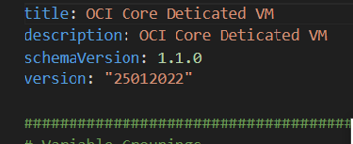
1 | Dedicated VM Host
 | compartment_name | Verify compartment_name "ebizoncloudllc (root)" should be displayed | Verified compartment_name "ebizoncloudllc (root)" is displaying. | Yes
 | dedicated_vm_host_shape | Verify dedicated_vm_host_shape "DVH.Standard2.52" should be displayed | Verified dedicated_vm_host_shape "DVH.Standard2.52" not displaying. | Not displayed Since code is done till Plan.(Since Shape is not accepted by Ebizoncloudllc)
 | display_name | Verify display_name "TestDedicatedVmHost" should be displayed | Verified display_name "TestDedicatedVmHost" is displaying. | Yes
 | Project tags | Verify Oracle-Tags.CreatedBy:default/oci_github should be displayed Verify Oracle-Tags.CreatedOn:2023-08-11T12:07:32.922Z should be displayed | Verified Oracle-Tags.CreatedBy:default/oci_github is displaying Verified Oracle-Tags.CreatedOn:2023-08-11T12:07:32.922Z is displaying | Yes
 | Project Defined tags | Verify "Automation_Tags.Automation_CostCenter" = "Automation" Verify "Automation_Tags.Automation_ResourceType" = "Dedicated_VM" should be displayed | Verified "Automation_Tags.Automation_CostCenter" = "Automation", Verified "Automation_Tags.Automation_ResourceType" = "Dedicated_VM" is displaying. | Yes

Instance pool
Project name | OCI_Automation
Test case Name | OCI Instance pool
Testcase written by | Reema Y updated by Vijayasri
Prerequesties | As below : Credentials

1 | Oracle OCI login username and password should be available
2 | 04.instance_pools

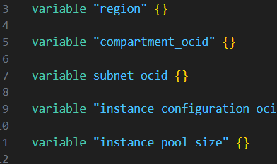
TestCase No | Testcases | Expected result | Actual result | Result | Screenshot
1 | Login to the OCI console | OCI Console dashboard page should be displayed | OCI Console dashboard page should be displaying | Yes
2 | Navigate to Compute_Instances | Navigate to Compute_Instances page should be displayed | Navigate to Compute_Instances page should be displaying | Yes
3 | Region | us-ashburn-1 | us-ashburn-1 | Yes |  | DoubleQuotes needed in Subnet ocid

1 | Instance pool

 | Instance_pool created under which compartment | Verify Instance_pool is deployed under "ebizoncloudllc (root)"compartment | Verified Instance_pool is deployed under "ebizoncloudllc (root)" compartment | Yes
 | Instance_pool Subnet name | Verify Instance_pool is deployed in "public subnet-OCI_Automation" | Verified Instance_pool is deployed in "public subnet-OCI_Automation" | Yes
 | instance_pool display name | Verify instance_pool_display_name "TestInstancePool" should be displayed | Verified instance_pool_display_name "TestInstancePool" should be displaying | Yes
 | Project tags | Verify Oracle-Tags.CreatedBy:default/oci_github should be displayed Verify Oracle-Tags.CreatedOn:2023-08-11T12:22:26.359Z should be displayed | Verified Oracle-Tags.CreatedBy:default/oci_github is displaying Verified Oracle-Tags.CreatedOn:2023-08-11T12:22:26.359Z is displaying | Yes |  |  | Change Title and Description
 | Project Defined tags | Verify "OCI_Automation_Tags.CostCenter" = "OCI", Verify "OCI_Automation_Tags.ResourceType" = "Instances" should be displayed | Verified "OCI_Automation_Tags.CostCenter" = "OCI", Verified "OCI_Automation_Tags.ResourceType" = "Instances" is displaying. | Tags not displayed in console and need to be added in code

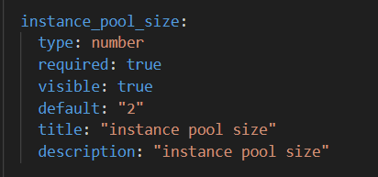

 |  |  |  |  |  | Double quotes to be removed

Cluster networks
Project name | OCI_Automation
Test case Name | OCI Cluster networks
Testcase written by | Reema Y updated by Vijayasri
Prerequesties | As below : Credentials

1 | Oracle OCI login username and password should be available
2 | 05.cluster_networks

TestCase No | Testcases | Expected result | Actual result | Result | Screenshot
1 | Login to the OCI console | OCI Console dashboard page should be displayed | OCI console dashboard is displaying | Yes
2 | Navigate to Compute_Instances | Navigate to Compute_Instances page should be displayed | Navigate to Compute_Instances page is displaying | Yes
3 | Region | us-ashburn-1 | us-ashburn-1 | Yes

1 | Cluster networks

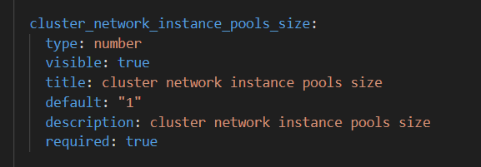
 | Cluster_networks created under which compartment | Verify Cluster networks is deployed underebizoncloudllc (root) compartment | Verified Cluster_networks is deployed under ebizoncloudllc (root) compartment | Yes
 | Cluster_networks Subnet name | Verify Cluster_networks is deployed in "public subnet-OCI_Automation" | Verified Cluster_networks is deployed in "public subnet-OCI_Automation" | Yes
 | cluster_network_instance_pools_display_name | Verify cluster_network_instance_pools_display_name "cluster network instance pool" should be displayed | Verified cluster_network_instance_pools_display_name "cluster network instance pool" should be displayed | Yes
 | Cluster_network_instance _pools_size | Verify Cluster_network_instance _pools_size "1" should be displayed | Verified Cluster_network_instance _pools_size "1" is displaying | Yes
 | Project tags | Verify Oracle-Tags.CreatedBy:default/oci_github should be displayed Verify Oracle-Tags.CreatedOn:2023-07-31T06:52:28.832Z should be displayed | Verified Oracle-Tags.CreatedBy:default/oci_github is displaying Verified Oracle-Tags.CreatedOn:2023-07-31T06:52:28.832Z is displaying | Yes
 | Project Defined tags | Verify "OCI_Automation_Tags.CostCenter" = "OCI", Verify "OCI_Automation_Tags.ResourceType" = "Instances" should be displayed | Verified "OCI_Automation_Tags.CostCenter" = "OCI", Verified "OCI_Automation_Tags.ResourceType" = "Instances" is displaying. | Tags not displayed in console and need to be added in code

 |  |  | Code Done till Plan Since Shape was not accepted in LLC

Autoscaling configuration
Project name | OCI_Automation
Test case Name | OCI_Autoscaling_Configuration
Testcase written by | Pavithran G
Prerequesties | As below : Credentials

1 | Oracle OCI login username and password should be available
2 | Stack3_OCI_07.autoscaling_configs |  |  |  | List of Checklist for every stack
 |  |  |  |  | 1 | always use terraform modules
 |  |  |  |  | 2 | no hardcoding inside the modules or any other tf files everything should come from locals or variables
TestCase No | Testcases | Expected result | Actual result | Result | 3 | every stack should have variables.tfvars file and tfvars.json file
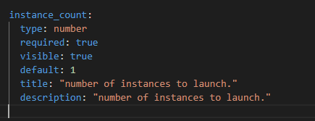
1 | Login to the OCI console | OCI Console dashboard page should be displayed | OCI console dashboard is displaying | yes | 4 | try automating the code as much as possible: by using terraform dynamic blocks etc
2 | Navigate to Autoscaling_Configuration | Navigate to Autoscaling_Configuration page should be displayed | Navigate to Autoscaling_Configuration page is displaying | yes | 5 | provider.tf
3 | Region | us-ashburn-1 | us-ashburn-1 | yes | 6 | schma.yml
 |  |  |  |  | 7 | auto discovery
 |  |  |  |  | 8 | hard code
 | Auto Scaling Configuration |  |  |  | 9 | documentation
4 | Autoscaling configuration display name | Verify auto scaling configuration display name "TestAutoScalingConfiguration" should be displayed | Verified auto scaling configuration display name "TestAutoScalingConfiguration" is displaying | yes | 10 | pre-requeiste / readme
5 | OCI_Autoscaling_Configuration created under which compartment | Verify OCI_Autoscaling_Configuration is deployed under "gen_compartment" compartment | Verified OCI_Autoscaling_Configuration is deployed under "gen_compartment" compartment | yes | 11 | variable.tf type/default
6 | Policy display name | Verify policy display name should be "TestPolicy" | Verified Policy display name "TestPolic"y is dipslaying | yes | 12 | data type: bool, string, number,,, "true"
7 | Policy type | Verify policy type should be "threshold" | Verified Policy type "threshold" is dipslaying | yes | 13 | main.tf,,, locals / datasource
8 | Project tags | Verify Oracle-Tags.CreatedBy:default/oci_github should be displayed Verify Oracle-Tags.CreatedOn:2023-07-31T10:47:09.716Z should be displayed | Verified Oracle-Tags.CreatedBy:default/oci_github is displaying Verified Oracle-Tags.CreatedOn:2023-07-31T10:47:09.716Z is displaying | yes | 14 | tfvars.json,,, compt+subnet not requied ,,, ANY INPUT TO THE PROGRM
9 | Project Defined tags | Project Defined tags : OCI_Automation_Tags.CostCenter:"OCI" Project Defined tags : OCI_Automation_Tags.Resource Type:"VM" should be displayed | Project Defined tags : OCI_Automation_Tags.CostCenter:"OCI" Project Defined tags : OCI_Automation_Tags.Resource Type:"VM" is displaying | no | 15 | tag add, wherever requied
10 | Metric type | Verify metric type should be "CPU_UTILIZATION" | Verified metric type "CPU_UTILIZATION" is dipslaying | Variable not enabled

Capacity reservation
Project name | OCI_Automation
Test case Name | OCI_Capacity_Reservation
Testcase written by | Pavithran G
Prerequesties | As below : Credentials

1 | Oracle OCI login username and password should be available
2 | Stack3_OCI_Capacity_Reservation

TestCase No | Testcases | Expected result | Actual result | Result
1 | Login to the OCI console | OCI Console dashboard page should be displayed | OCI console dashboard is displaying | Yes
2 | Navigate to Capacity_Reservation | Navigate to Capacity_Reservation page should be displayed | Navigate to Capacity_Reservation page is displaying | Yes
3 | Region | us-ashburn-1 | us-ashburn-1 | Yes

 | Capacity Reservation
4 | capacity reservation display name | Verify capacity reservation display name "capacity_reservation" should be displayed | Verified capacity reservation display name "capacity_reservation" is displaying | Yes | Provide appropriate Title and description
5 | capacity reservation created under which compartment | Verify capacity reservation is deployed under "gen_compartment" compartment | Verified capacity reservation is deployed under "gen_compartment" compartment | Yes
6 | instance_count | Verify instance count should be "1" | Verified instance count "1" is displaying | Yes
7 | instance_shape | Verify instance shape should be "VM.Standard2.1" | Verified instance shape "VM.Standard2.1" is displaying | Yes
8 | Project tags | Verify Oracle-Tags.CreatedBy:default/oci_github should be displayed Verify Oracle-Tags.CreatedOn:2023-08-30T18:44:58.469Z should be displayed | Verified Oracle-Tags.CreatedBy:default/oci_github is displaying Verified Oracle-Tags.CreatedOn:2023-08-30T18:44:58.469Z is displaying
9 | Project Defined tags | Verify "OCI_Automation_Tags.CostCenter" = "OCI", Verify "OCI_Automation_Tags.ResourceType" = "Instances" should be displayed | Verified "OCI_Automation_Tags.CostCenter" = "OCI", Verified "OCI_Automation_Tags.ResourceType" = "Instances" is displaying. | Tags not displayed in console and need to be added in code
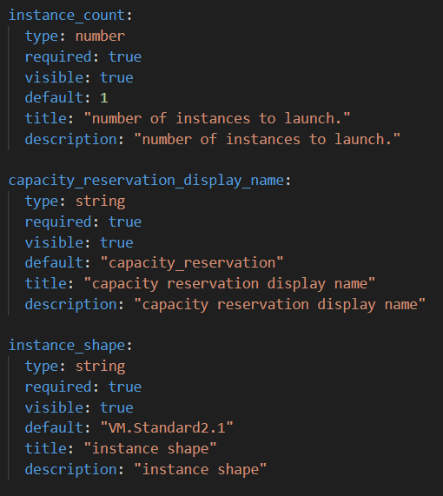

 |  |  |  |  |  | Provide appropriate Title and description

